Sheet1
 |  | Document No. | Issue No. | Issue Date |  | Review and Replace Date |  | Authorised By
 |  | GFF201MC | 3 | 14.09.2020 |  | 22.12.2021
 |  | Document Title | VEGETABLE PAKORA 180g
 |  |  |  |  |  |  |  | Magda Shah
Document amendments reason for change |  | Film Updated | Page 1 of 1 |  | Previous Issue Date |  | 22.02.2021 | Uncontrolled copy unless signed original

CVPK2C-R6TEB | BOOTHS |  | VEGETABLE PAKORA 180g

 |  |  |  |  | 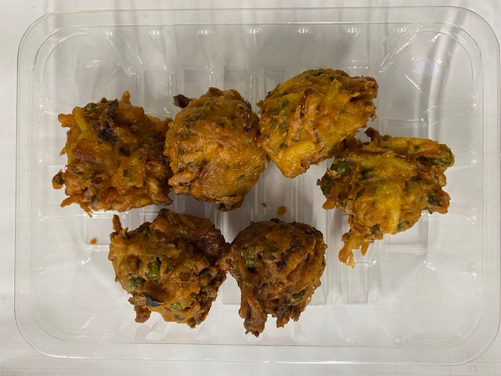

Tray: SK4 Plain Clear (PKESS001-07) |  |  |  |  | Vegetable Pakora 30g (GFF122R): 6 pieces
Film: ME300AFV2, 300mmx 1000m (PKPRO001-16) |  |  |  |  | Total Weight: 180g
ALLERGY ALERT: NONE

